PSP Payment Method
UK GP | UK Opening Banking | BD SSL | KR Fiserv | SG Fiserv | AU Fiserv | AU Azupay | TH 2C2P | ID DOKU | JP Sony | MY eGHL | VN Payoo | VN Viettel
• card • card.wallet ["apple_pay", " google_pay"] • wallet ["paypal", "wechat_pay"] • other ["test_pay"] | • faster_payments | • card • apm ["internet_banking", "mobile_banking"] | • card • mobile • bank_account • virtual_account • alternative_payment | • card • grabpay | • card | • payid • payto | • card • wallet ["alipay", "line_pay", "samsung_pay", "wechat_pay"] - untestable • apm ["ATM", "KIOSK", "BANKCOUNTER", "OVERTHECOUNTER", "WEBPAY", "IBANKING", "MOBILEBANKING"] | • card • wallet ["doku_wallet", "link_aja", "ovo"] • apm ["internet_banking"] • virtual_account ["bank_transfer", "convenience_store"] | • card • apm["japan_payment_code"] | • card • apm ["internet_banking"] • wallet ["grab", "touch_n_go", "mae"] | • card • domestic_card • wallet • pay_at_store • pay_on_delivery • pay_transfer | • card • domestic_card • viettelpay • mobile_money • bankplus

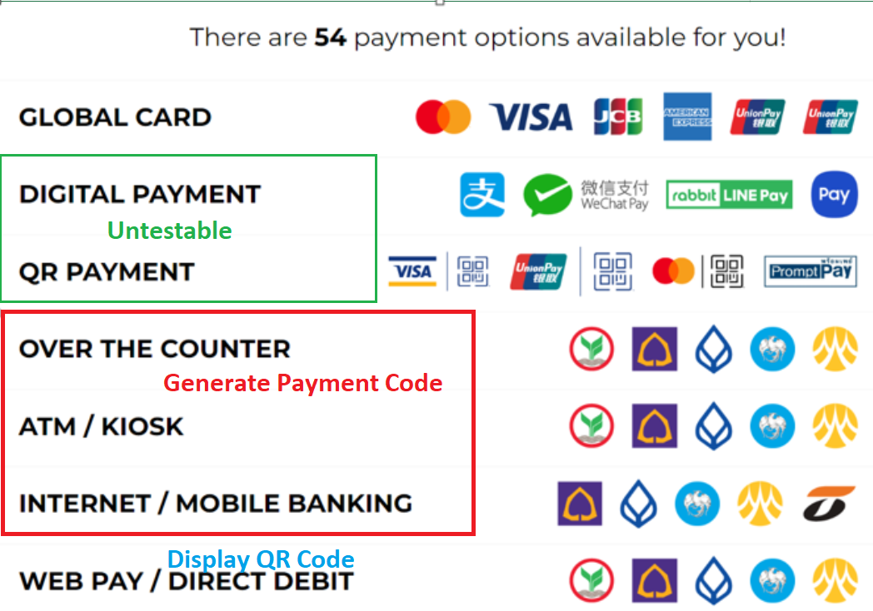
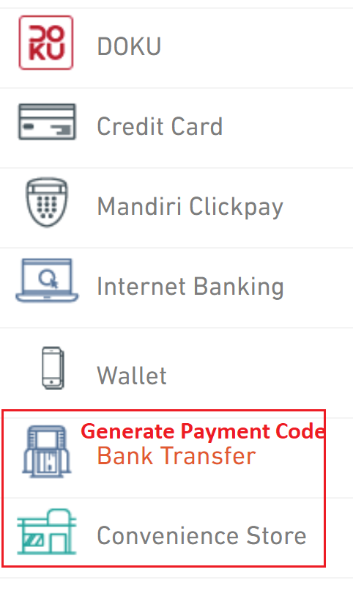

Suggested Pattern: [a-zA-Z0-9_-] |  | Suggested Pattern: ANS (HTML Encoded)
ID | AMOUNT | DESCRIPTION | URL
UK 1-50 | UK 1-11 incl 2 decimal | UK DCMS | UK DCMS
BD DCMS | UK Open 2-10 include 2 decimal (min: 10) | UK OB 1-140 | UK OB 2048
FISERV 100 | BD 10.2 (must between 10.00 to 500,000.00 BDT) | BD DCMS (refund 255) | BD 255
AZU 5-100 | FISERV (merchant profile or currency level??) | FISERV DCMS | Fiserv no definition
TH 20 | AZU no restriction | AZU 5-140 | Azu no restriction
MY 20 | TH 12 incl decimal | TH 255 | TH 255
ID 30 | MY 12.2 | ID DCMS | ID DCMS
JP DCMS | ID 12.2 integer 10 | JP DCMS | JP 500
JP 32 [x "_"] | JP 8 no decimal | MY DCMS | MY 255
VN 64 / 30 | VN 20 no decimal integer 10 | VN 6400 shared (refund 256 /100) | VN 256

AU (Azupay)
SUBSCRIPTIONS Entity |  |  |  | Create a SUBSCRIPTION
POST /subscriptions | Create a Subscription | Azupay API: POST /paymentAgreement |  | { "id": "SUB-1234", "description": "xxxxxxxxxx", "currency": "aud", "recurring": { "fixed": { "amount": 50000, "interval": "monthly", "start_date": 1669334400, "end_date": 1700870400 } "variable": { "max_amount": 50000, "interval": "adhoc", "start_date": 1669334400, "end_date": 1700870400 } }, "subscription_model": { "au_az_payment_agreement": { "url_setting": { "webhook": "https://xxxx" }, "payer_details": { "name": "xxxx", "type": "person", "payer_payid": { "payid": "xxx.yyy@zzz", "payid_type": "email" } "payer_bank_account": { "bsb": "xxxxxx", "account_number": "xxxxxx" } } } }, "metadata": { "merchant_subscription_ref": "sub-12345678" } }
GET /subscriptions/{id} | Retrieve a Subscription | Azupay API: POST /paymentAgreement/search
POST /subscriptions/{id} | Update a Subscription | Add / Update metadata
POST /subscriptions/{id}/cancel | Cancel a Subscription | Azupay API: POST /paymentAgreement/changeStatus?id=xxx&status=CANCELLED
POST /subscriptions/{id}/suspend | Suspend a Subscription | Azupay API: POST /paymentAgreement/changeStatus?id=xxx&status=SUSPENDED
POST /subscriptions/{id}/resume | Resume a suspended Subscription | Azupay API: POST /paymentAgreement/changeStatus?id=xxx&status=ACTIVE
NOTES:
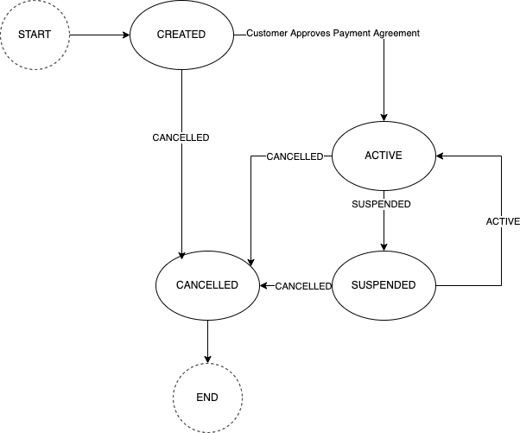 1. Life Cycle of a Payment Agreement

Webhook Events | Remarks
subscription.authenticated | Ryan helps to identify if there is a notification sent back once a customer approves or declines a payment agreement on the App and what is the corresponding status in the notification.
subscription.active | Latest status is returned by Callback.
subscription.pending | n/a
subscription.suspended | IMPORTANT: The status returned by the synchronized response of the changeStatus is the previous status, the latest status is returned in the callback.
subscription.cancelled | IMPORTANT: The status returned by the synchronized response of the changeStatus is the previous status, the latest status is returned in the callback.
subscription.expired | n/a
subscription.completed | Ryan helps to identify if there is a corresponding status if a payment agreeement is completed.
subscription.failed | Latest status is returned by Callback. (Can be tested by simulation: https://developer.azupay.com.au/guide/azupayto-reference.html#test-accounts)
NEW Fields | Remarks | OLD Fields | Remarks
id |  | Azupay: clientTransactionId | merchant-assigned string [ 5 .. 100 ] characters example: 30597959-a853-44d4-bdab-54332bf7a98e
entity | always "subscription"
created |  | Azupay: createdDateTime
status |  | Azupay: PaymentAgreementStatus.status | • created > "created" • authenticated > n/a • active > "active" • pending > n/a • suspended > "suspended" • cancelled > "cancelled" • expired > n/a • completed > n/a • failed > "failed" *Original Enum["created", "active", "suspended", "cancelled", "failed"]
fail_reason |  | Azupay: PaymentAgreementStatus.failureCode + " - " + failureReason | e.g: AZP2.4 - Payee alias details are invalid Value is null if this is not a failed case
payment_intent | Boolean: true / false DCMS Logic: true if any payment request is submitted whatever failed or successful
description |  | Azupay: description | string [ 5 .. 140 ] characters
currency | enum["aud"] | n/a
{recurring} | oneOf: *Also for input •{fixed} •{variable} Notes: •{usage_based} *hide this option since the behavior & all fields are identical to "variable" •{ballon} *hide this option since this is for some rare business use case, such as mortgages
•{fixed}
••amount |  | Azupay: fixedAgreementDetails.amount | ^[0-9]+(\.[0-9]{2})$ no length restriction from PSP
••total_count | always "null" | n/a
••remaining_count | always "null" | n/a
••interval | Suggested list: enum["daily", "weekly", "monthly", "yearly"] Original list: enum: ["ADHOC", "DAILY", "FORTNIGHTLY", "INTRADAY", "SEMIANNUAL", "MONTHLY", "QUARTERLY", "WEEKLY", "ANNUAL"] | Azupay: fixedAgreementDetails.frequency
••start_date |  | Azupay: fixedAgreementDetails.startDate
••next_charge_date | always "null" | n/a
••end_date | Optional for input | Azupay: fixedAgreementDetails.endDate
•{variable}
••max_amount | Optional for input | Azupay: variableAgreementDetails.maximumAmount | ^[0-9]+(\.[0-9]{2})$ no length restriction from PSP
••interval | Suggested list: enum["adhoc", "daily", "weekly", "monthly", "yearly"] Original list: enum: ["ADHOC", "DAILY", "FORTNIGHTLY", "INTRADAY", "SEMIANNUAL", "MONTHLY", "QUARTERLY", "WEEKLY", "ANNUAL"] | Azupay: variableAgreementDetails.frequency
••start_date |  | Azupay: variableAgreementDetails.startDate
••end_date | Optional for input | Azupay: variableAgreementDetails.endDate
{subscription_model}
•{au_az_payment_agreement}
••agreement_type | enum["mortgage", "utility", "loan", "dependant_support", "gambling", "retail", "salary", "personal", "government", "pension", "tax", "other_service"] | Azupay: paymentAgreementType | Pass fix value ["other_service"]
••{url_setting}
•••webhook |  | Azupay: paymentAgreementNotification.EndpointUrl | no length restriction from PSP
•••http_authorization_header |  | Azupay: paymentAgreementNotification.AuthorizationHeaderValue | removed from API, pass HSBC header in PSP's field
••{payer_details} | oneOf: *Also for input •{payer_payid} •{payer_direct_debit}
•••name |  | Azupay: payerDetails.name | string [ 1 .. 100 ] characters
•••type | enum["person", "organisation"] | Azupay: payerDetails.type
•••{payer_payid}
••••payid |  | Azupay: payIDDetails.payID | string [ 5 .. 50 ] characters
••••payid_type | enum["phone", "email", "abn", "org"] | Azupay: payIDDetails.payIDType
•••{payer_bank_account} | Include account details in the design
••••bsb |  | Azupay: bankAccountDetails.bsb | string 6 characters ^\d*$
••••account_number |  | Azupay: bankAccountDetails.accountNumber | string [ 5 .. 9 ] characters ^\d*$
{metadata}

SUBSCRIPTION AMENDMENTS Entity |  |  |  | Create a SUBSCRIPTION AMENDMENT
POST /subscriptions/{id}/amendments | Create a Subscription Amendment | Azupay API: POST /paymentAgreement/amendment |  | { "description": "xxxxxxxxxx", "recurring": { "fixed": { "amount": 50000, "interval": "monthly", "end_date": 1700870400 } "variable": { "max_amount": 50000, "interval": "adhoc", "end_date": 1700870400 } }, "metadata": { "xxx": "yyy" } }
GET /amendments/{id} | Retrieve a Subscription Amendment | Updates are from callback and save in DCMS record
POST /amendments/{id} | Update a Subscription Amendment | Add / Update metadata
GET /subscriptions/{id}/amendments | List all Subscription Amendments for a Subscription | Fetch from DCMS record
NOTES:
1. Reuse the "clientTransactionId" of Subscription with a suffix in the request of Subscription Amendment. Logic: The "clientTransactionId" of Subscription is "SUB-1234" then the "clientTransactionId" of Subscription Amendement is "SUB-1234-xx-yy". xx = amend (fix value) yy = increment count e.g. SUB-1234-amend-1
2. Reuse the "endpointURL" and "authorizationHeader" of Subscription in the request
3. A subscription allows multiple amendments

Webhook Events | Remarks
amendment.completed | Latest Status is returned by Callback
amendment.declined | Latest Status is returned by Callback
amendment.recalled | Latest Status is returned by Callback
amendment.timedout | Latest Status is returned by Callback
NEW Fields | Remarks | OLD Fields | Remarks
id |  | Azupay: paymentAgreementAmendmentId | system-assigned
entity | always "amendment"
created |  | Azupay: PaymentAgreementAmendmentStatus.createdDateTime
status |  | Azupay: PaymentAgreementAmendmentStatus.status (response) Azupay: PaymentAgreementAmendmentStatus:bilateralAmendmentStatus (callback) | enum:["pending", "completed", "declined", "recalled", "timedout"] *The status from the sychronized API response is usually "PENDING" while the latest status is returned from callback.
description | save in DCMS
{recurring} | oneOf: *Also for input •{fixed} •{variable} Notes: •{usage_based} *hide this option since the behavior & all fields are identical to "variable" •{ballon} *hide this option since this is for some rare business use case, such as mortgages
•{fixed}
••amount | Optional for input | Azupay: fixedAgreementDetails.amount
••interval | Optional for input Suggested list: enum["daily", "weekly", "monthly", "yearly"] Original list: enum: ["ADHOC", "DAILY", "FORTNIGHTLY", "INTRADAY", "SEMIANNUAL", "MONTHLY", "QUARTERLY", "WEEKLY", "ANNUAL"] | Azupay: fixedAgreementDetails.frequency
••end_date | Optional for input | Azupay: fixedAgreementDetails.endDate
•{variable}
••max_amount | Optional for input | Azupay: variableAgreementDetails.maximumAmount
••interval | Optional for input Suggested list: enum["adhoc", "daily", "weekly", "monthly", "yearly"] Original list: enum: ["ADHOC", "DAILY", "FORTNIGHTLY", "INTRADAY", "SEMIANNUAL", "MONTHLY", "QUARTERLY", "WEEKLY", "ANNUAL"] | Azupay: variableAgreementDetails.frequency
••end_date | Optional for input | Azupay: variableAgreementDetails.endDate
{link}
•rel | enum["subscription"]
•id | SUBSCRIPTION ID
{metadata}

PAYIDS Entity |  |  |  | Create a PAYID
POST /payids | Create a PayID | Azupay API: POST /paymentRequest |  | { "id": "payid-1234", "description": "xxxxxxxxxxxxx", "currency": "aud", "payid_expiry": 1661517573, "url_setting": { "webhook": "https://xxxx" }, "payid_customisation": { "merchant_assigned": { "email": "xxx.yyy@zzz.com" } "system_assigned": {} "system_assigned_with_specific_domain": { "domain": "zzz.com" } }, "payment_model": { "single": { "amount": 50000 } "multiple": {} "multiple_with_max_amount": { "amount": 50000 } }, "metadata":{} }
GET /payids/{id} | Retrieve a PayID | Azupay API: GET /paymentRequest
POST /payids/{id} | Update a PayID | Add / Update metadata
POST /payids/{id}/deregister | Deregister a PayID | Azupay: DELETE /paymentRequest *This operation deletes the record in Azupay and becomes unretrievable. Please keep the said record in DCMS and just change the status to "deregistered"
NOTES:
1. Hold to release the API of domain configuration, educate Merchant to register all domains in Azupay's Merchant Portal.

Webhook Events | Remarks

NEW Fields | Remarks | OLD Fields | Remarks
id |  | Azupay: clientTransactionId | merchant-assigned string [ 5 .. 100 ] characters example: TX5346423452345345
entity | always "payid"
created |  | Azupay: createdDateTime
status |  | Azupay: PaymentRequestStatus.status | enum["waiting", "complete", "return_in_progress", "return_pending_liquidity", "return_failed", "return_rejected", "return_complete", "expired"] ["deregistered"] > DCMS Logic
amount_received |  | Azupay: amountReceived
currency | enum["aud"] | n/a
payment_intent | Boolean: true / false DCMS Logic: true if any payment request is submitted whatever failed or successful
description |  | Azupay: paymentDescription | string [ 5 .. 140 ] characters
payid |  | Azupay: payID | not for request input, retrieve value from response
payid_expiry | Optional for input | Azupay: paymentExpiryDatetime | conversion needed
payid_qr_code |  | Azupay: checkoutUrl
•{url_setting}
••webhook |  | Azupay: paymentNotification.EndpointUrl | no length restriction from PSP
••http_authorization_header |  | Azupay: paymentNotificationAuthorization.HeaderValue | removed from API, pass HSBC header in PSP's field
•{payid_customisation} | oneOf: *Also for input •{merchant_assigned} •{system_assigned} •{system_assigned_with_specific_domain}
••{merchant_assigned}
•••email |  | Azupay: payID | for resquest input string [ 5 .. 50 ] characters ^([a-z0-9_\-\.]+)@([a-z0-9_\-\.]+)\.([a-z]+)$
••{system_assigned} |  |  | remove payID and payIDSuffix from request
••{system_assigned_with_specific_domain}
•••domain |  | Azupay: payIDSuffix | remove payID from request string [ 5 .. 50 ] characters
•{payment_model} | oneOf: *Also for input •{single} •{multiple} •{multiple_with_max_amount}
••{single} |  |  | multiPayment = false
•••amount |  | Azupay: paymentAmount | no length restriction from PSP
••{multiple} |  |  | multiPayment = true
••{multiple_with_max_amount} |  |  | multiPayment = true
•••amount |  | Azupay: paymentAmount | no length restriction from PSP
{metadata} | Optional for input

PAYMENTS Entity (PayID)
GET /payments/{id} | Retrieve a Payment | Single Payment: Azupay API: GET /paymentRequest (using Parent ID) Multiple Payment: Azupay API: GET /paymentRequest (using Child ID)
POST /payments/{id} | Update a Payment | Add / Update metadata
GET /payids/{id}/payments | List all Payments for a PayID | Single Payment: Azupay API: GET /paymentRequest (using Parent ID) Multiple Payment: Payment Callbacks (using Child IDs) and save in DCMS
NOTES:
1. In multiple PayID payment, the original PayID payment request and each individual payment request use the same message response. Please distinguish them by the parent and child request ID.

Webhook Events | Remarks
payment.captured
payment.pending | n/a
payment.failed
NEW Fields | Remarks | OLD Fields | Remarks
id |  | Azupay: paymentRequestId
entity | always "payment"
created |  | Azupay: createdDateTime | conversion needed
amount |  | Azupay: paymentAmount
currency | enum["aud"]
status |  | Azupay: PaymentRequestStatus.status | • pending > n/a • captured > "COMPLETE" • failed > DCMS logic • cancelled > n/a • settled > DCMS Logic
fail_reason |  | Azupay: PaymentRequestStatus.failedPaymentAttempts.attemptFailureReason + attempAmount (if not null) | Sample Message: "Incorrect Payment Amount. Attempt Amount: 40"
refund_intent | Boolean: true / false DCMS Logic: true if any refund request is submitted whatever failed or successful
{payment_method}
•type | enum["payid"] | n/a
•{payid}
••npp_transaction_id |  | Azupay: nppTransactionId
••payid |  | Azupay: payID
••payid_type | always "email" | n/a
••payer_payment_reference |  | Azupay: payerPaymentReference
••payer_payment_description |  | Azupay: payerPaymentDescription
{metadata} | Only for update
{link}
•rel | enum["payid"]
•id | PAYID ID

PAYMENTS Entity (Subscription) |  |  |  | Create a PAYMENT (Subscription)
GET /payments/{id} | Retrieve a Payment | Azupay API: GET /paymentInitiation (use Merchant ID: A177856A00000131) |  | { "amount": 50000, "currency": "aud", "metadata": { "merchant_refund_ref": "refund-12345678" } }
POST /payments/{id} | Update a Payment | Add / Update metadata
GET /subscriptions/{id}/payments | List all Payments for a Subscription | Azupay API: GET /paymentInitiation (use Merchant ID: A177856A00000131)
POST /subscriptions/{id}/payments | Create a Payment for a Subscription | Azupay API: POST /paymentInitiation
NOTES:
1. Recurring payment is not refundable
2. Reuse the same "endpointURL" and "authorizationHeader" of SUBSCRIPTION

Webhook Events | Remarks
payment.captured
payment.pending | n/a
payment.failed
NEW Fields | Remarks | OLD Fields | Remarks
id |  | Azupay: paymentInitiationId | clientTransactionId is genereted by DCMS
entity | always "payment"
created |  | Azupay: createdDateTime | conversion needed
amount |  | Azupay: paymentAmount
currency | enum["aud"]
status |  | Azupay: PaymentInitiationStatus.status | • pending > CREATED / PENDING • captured > SETTLED • failed > FAILED • cancelled > n/a • settled > DCMS Logic
fail_reason |  | Azupay: message | Return null for successful case
refund_intent | Boolean: true / false DCMS Logic: true if any refund request is submitted whatever failed or successful
{payment_method}
•type | enum["payto"] | n/a
•{payto} | oneOf: •{payer_payid} •{payer_bank_account}
••npp_transaction_id |  | Azupay: PaymentInitiationStatus.nppTransactionId
••{payer_payid}
•••payid | Retrieve from DCMS record (data created in Subscription Creation) | n/a
•••payid_type | Retrieve from DCMS record (data created in Subscription Creation) | n/a
••{payer_bank_account}
•••bsb | Retrieve from DCMS record (data created in Subscription Creation) | n/a
•••account_number | Retrieve from DCMS record (data created in Subscription Creation) | n/a | Mask the first 4 digit with "****"
{metadata} | Only for update
{link}
•rel | enum["subscription"]
•id | SUBSCRIPTION ID

REFUNDS Entity |  |  |  | Create a REFUND
POST /payments/{id}/refunds | Create a Refund for a Payment | Azupay API: POST /paymentRequest/refund POST /paymentInitiation/refund |  | { "amount": 50000, "reason": "refund reason", "metadata": { "merchant_refund_ref": "refund-12345678" } }
GET /payments/{id}/refunds | List all Refunds for a Payment | Azupay API: GET /paymentRequest/ (from object "refundInformation") GET /paymentInitiation/ (from object "refundInformation")
GET /refunds/{id} | Retrieve a Refund | same as above
POST /refunds/{id} | Update a Refund | Add / Update metadata
NOTES:
1. Support full or partial refund

Webhook Events | Remarks
refund.succeeded
refund.pending
refund.failed
HSBC Fields | Remarks | OLD Fields | Remarks
id |  | n/a | Generated by DCMS. Azupay does not assign a new ID for refund transaction. Refund information appears as an additional object attached in the original payment transaction response.
entity | always "refund"
created | UNIX time generated by DCMS
amount |  | Azupay: refundAmount | no length restriction from PSP
currency | e.g. "aud" |  | Conversion needed
reason | save in DCMS
status |  | Azupay: refundInformation.request.status *new field of Azupay API | • succeeded > "COMPLETE" • pending > "IN_PROGRESS" • failed > "FAILED"
fail_reason |  | Azupay: message
{metadata}
{link}
•rel | enum["payment"]
•id | PAYMENT ID

ERRORS Entity
NOTES:

API Gateway Error (DCMS Level)
HTTP Status Code | Corresponding Endpoint | System Code | Message
HTTP 402 Request Failed | POST /subscriptions | duplicate_id_not_allowed | Creation of the entity is not permitted due to duplicate ID.
 | GET /subscriptions/{id} | id_not_found | The specified ID or record was not found.
 | POST /subscriptions/{id} | id_not_found
 | POST /subscriptions/{id}/cancel | id_not_found
 | POST /subscriptions/{id}/suspend | id_not_found
 | POST /subscriptions/{id}/resume | id_not_found
 | POST /subscriptions/{id}/amendments | id_not_found
 | GET /amendments/{id} | id_not_found
 | POST /amendments/{id} | id_not_found
 | GET /subscriptions/{id}/amendments | id_not_found
 | POST /payids | duplicate_id_not_allowed
 | GET /payids/{id} | id_not_found
 | POST /payids/{id} | id_not_found
 | POST /payids/{id}/deregister | id_not_found
 | GET /payments/{id} | id_not_found
 | POST /payments/{id} | id_not_found
 | GET /payids/{id}/payments | id_not_found
 | GET /subscriptions/{id}/payments | id_not_found
 | POST /subscriptions/{id}/payments | id_not_found
 | POST /payments/{id}/refunds | id_not_found
 | GET /payments/{id}/refunds | id_not_found
 | GET /refunds/{id} | id_not_found
 | POST /refunds/{id} | id_not_found
Payment Gateway Error (PSP Level, HTTP Error = 402)
NEW Fields | Remarks | OLD Fields | Remarks
type | value: "payment_gateway_error"
code |  | n/a
message |  | Azupay: message
time | UNIX time generated by DCMS

Sample Responses from PSP
Create a single PayID & Pay | Refund a single PayID | Create a multiple PayID & Pay | Refund a multiple PayID | Create a Payment Agreement & approved by customer | Create a Payment Initiation
Callback: every failed and successful payment *Azupay doc mentions any incorrect payment will be refunded immediately, but cannot locate the said refund transaction in API | Callback 1: "status" changed to RETURN _IN_PROGRESS *Callback 2: "currentBalance" is deducted by refund amount (only for partial refund) Callback 3: Display "refundInformation" and "status" changed to RETURN_COMLETE *No callback for failed refund | Callback 1: The changes of the original PayID payment request Callback 2: The payment transaction (with new paymentRequestId) * "paymentAmount" & "amountReceived" of each individual payment will by deducted automatically if there is an overpayment. But no automatic refund transaction can be located again. | *Parent Payment Request is NOT refundable but only those individual payments * The refund API flow of each individual payment is identical to a single payment | Callback 1: A Payment Agreement is created Callback 2: "status" is changed to ACTIVE after approved by Customer | Callback 1: When the status of Payment Initiation is changed to SETTLED
{ "PaymentRequest": { "clientId": "f2073386d3cf18b18c421619d5c2128f", "paymentNotification": { "paymentNotificationEndpointUrl": "xxx", "paymentNotificationAuthorizationHeaderValue": "xxx" }, "multiPayment": false, "clientTransactionId": "AZ-PAY-78747087", "payID": "xdp.vau@hsbc.com.au", "paymentAmount": 44, "paymentExpiryDatetime": "2022-12-31T00:00:00.000Z", "paymentDescription": "This is a test!!", "checkoutUrl": "xxx" }, "PaymentRequestStatus": { "paymentRequestId": "08b228cf8875c4c27bd04cb7556a1cdc", "createdDateTime": "2022-11-18T17:36:20.478Z", "status": "WAITING", // keep WAITING until successfully paid /* exist only when there are failed payment */ "failedPaymentAttempts": [ { "attemptFailureReason": "Incorrect Payment Amount", "attemptDateTime": "2022-11-18T17:41:05.978Z", "attemptAmount": 45 }, { "attemptFailureReason": "Incorrect Payment Amount", "attemptDateTime": "2022-11-18T17:42:52.545Z", "attemptAmount": 43 } ], /* exist only when payment is successful */ "nppTransactionId": "AZTPAU22XXXN20221119100000000000051", "payerPaymentReference": "third", "payerPaymentDescription": "third", "currentBalance": 10000853.53, "completedDatetime": "2022-11-18T17:54:42.341Z", "status": "COMPLETE", // changed to COMPLETE after successfully paid "amountReceived": 44 } } | { "PaymentRequest": { ... }, "PaymentRequestStatus": { "paymentRequestId": "08b228cf8875c4c27bd04cb7556a1cdc", ... "refundInformation": { "requests": [ { "dateTime": "2022-11-18T18:35:22.290Z", "nppTransactionId": "AZTPAU22XXXN202211195000000...00080", "amount": "22.00" } ], "availableBalance": "22.00" // Only exist for partial refund }, "status": "RETURN_COMPLETE", "returnInitiator": "MANUAL", ... } } Error: { "message": "Refund amount must be less than or equal to original payment amount" } | Callback 1: { "PaymentRequest": { "clientId": "f2073386d3cf18b18c421619d5c2128f", "paymentNotification": { "paymentNotificationEndpointUrl": "xxx", "paymentNotificationAuthorizationHeaderValue": "xxx" }, "multiPayment": true, "clientTransactionId": "AZ-PAY-88556476", "payID": "cja.r80@hsbc.com.au", "paymentAmount": 44, "paymentExpiryDatetime": "2022-12-31T00:00:00.000Z", "paymentDescription": "This is a test!!", "checkoutUrl": "xxx" }, "PaymentRequestStatus": { "paymentRequestId": "a90058c0ef484f703131a01f55b51df7", "createdDateTime": "2022-11-21T10:50:23.819Z", /* amount is accumulated by every payment */ "amountReceived": 10, /* Change to "COMPLETE" until the max amount is reached. Always be "WAITING" if no max amount is set. */ "status": "WAITING" } } Callback 2: { "PaymentRequest": { "clientId": "f2073386d3cf18b18c421619d5c2128f", "paymentNotification": { "paymentNotificationEndpointUrl": "xxx", "paymentNotificationAuthorizationHeaderValue": "xxx" }, "payID": "cja.r80@hsbc.com.au", "clientTransactionId": "fb7e9160-698b-11ed-ae6a-5b912c3746a6", "paymentAmount": 10, "paymentDescription": "This is a test!!" }, "PaymentRequestStatus": { "nppTransactionId": "AZTPAU22XXXN20221121800000000013521", "payerPaymentReference": "first", /* New ID is generated for each individual payment */ "paymentRequestId": "5cf1b58479877cae55edab60e5cdd00c", "parentPaymentRequestId": "a90058c0ef484f703131a01f55b51df7", "currentBalance": 10000795.53, "createdDateTime": "2022-11-21T11:02:25.910Z", "payerPaymentDescription": "first", "completedDatetime": "2022-11-21T11:02:25.910Z", "status": "COMPLETE", "amountReceived": 10 } } |  | { "PaymentAgreement": { "payerDetails": { "payIDDetails": { "payIDType": "EMAIL", "payID": "pmg.efp@hsbc.com.au" }, "name": "test", "type": "Person" }, "paymentAgreementType": "MORTGAGE", "paymentAgreementNotification": { "endpointURL": "https:\/\/xxxx", "authorizationHeader": "****" }, "clientId": "f2073386d3cf18b18c421619d5c2128f", "description": "Si Dan La", "clientTransactionId": "AZ-PAY-20247775", "agreementDetails": { "fixedAgreementDetails": { "amount": "60.00", "endDate": "2022-11-26", "firstPaymentAmount": "100.00", "startDate": "2022-11-24", "frequency": "DAILY" } } }, "PaymentAgreementStatus": { "createdDatetime": "2022-11-23T18:27:19.742Z", "paymentAgreementId": "c3095e72f7932ca9b43ec7f23037db39", "status": "CREATED" "status": "ACTIVE" // Changed to ACTIVE after approved by Customer } } | { /* This block ONLY appears in the response of POST payment initiation */ "PaymentAgreement": { "payerDetails": { "payIDDetails": { "payIDType": "EMAIL", "payID": "pmg.efp@hsbc.com.au" }, "name": "taft", "type": "Person" }, "paymentAgreementType": "MORTGAGE", "clientId": "f2073386d3cf18b18c421619d5c2128f", "description": "Si Dan La", "clientTransactionId": "AZ-PAY-20247775", "agreementDetails": { "fixedAgreementDetails": { "amount": "60.00", "endDate": "2022-11-26", "firstPaymentAmount": "100.00", "startDate": "2022-11-24", "frequency": "DAILY" } } }, /* This block ALSO appears in callback once the status changed to SETTLED */ "PaymentInitiationStatus": { "nppTransactionId": "AZTPAU22XXXI20221124100000000000020", "paymentInitiationId": "e14b99a42b08d8e1722dfbe1fa45c5b6", "createdDatetime": "2022-11-23T18:28:43.006Z", "status": "CREATED" "status": "SETTLED" // Status changed in callback }, "PaymentInitiation": { "paymentInitiationNotification": { "endpointURL": "https:\/\/xxxx", "authorizationHeader": "****" }, "clientId": "f2073386d3cf18b18c421619d5c2128f", "clientTransactionId": "AZ-PAY-39222753", "paymentAmount": "100.00", "paymentAgreementId": "c3095e72f7932ca9b43ec7f23037db39" } } Error: { "message": "This Payment Agreement's Validity has not started" }

IN (Razorpay)
SUBSCRIPTIONS Entity |  |  |  | Create a SUBSCRIPTION
POST /subscriptions | Create a Subscription | Razorpay: #1 POST /plans #2 POST /subscriptions |  | { "id": "SUB-1234", "description": "xxxxxxxxxx", "currency": "inr", "recurring": { "fixed": { "amount": 50000, "total_count": 12, "interval": "monthly", "start_date": 1672531200 } }, "subscription_model": { "in_rz_subscription": { "expiry": 1672531200, "url_setting": { "webhook": "https://xxxx" } } }, "metadata": {} }
GET /subscriptions/{id} | Retrieve a Subscription | Razorpay: GET /subscriptions/:sub_id
POST /subscriptions/{id} | Update a Subscription | Add / Update metadata | *Razorpay can support updating a subscription details
POST /subscriptions/{id}/cancel | Cancel a Subscription | Razorpay: POST /subscriptions/:sub_id/cancel
POST /subscriptions/{id}/suspend | Suspend a Subscription | Razorpay: POST /subscriptions/:sub_id/pause
POST /subscriptions/{id}/resume | Resume a suspended Subscription | Razorpay: POST /subscriptions/:sub_id/resume
NOTES:
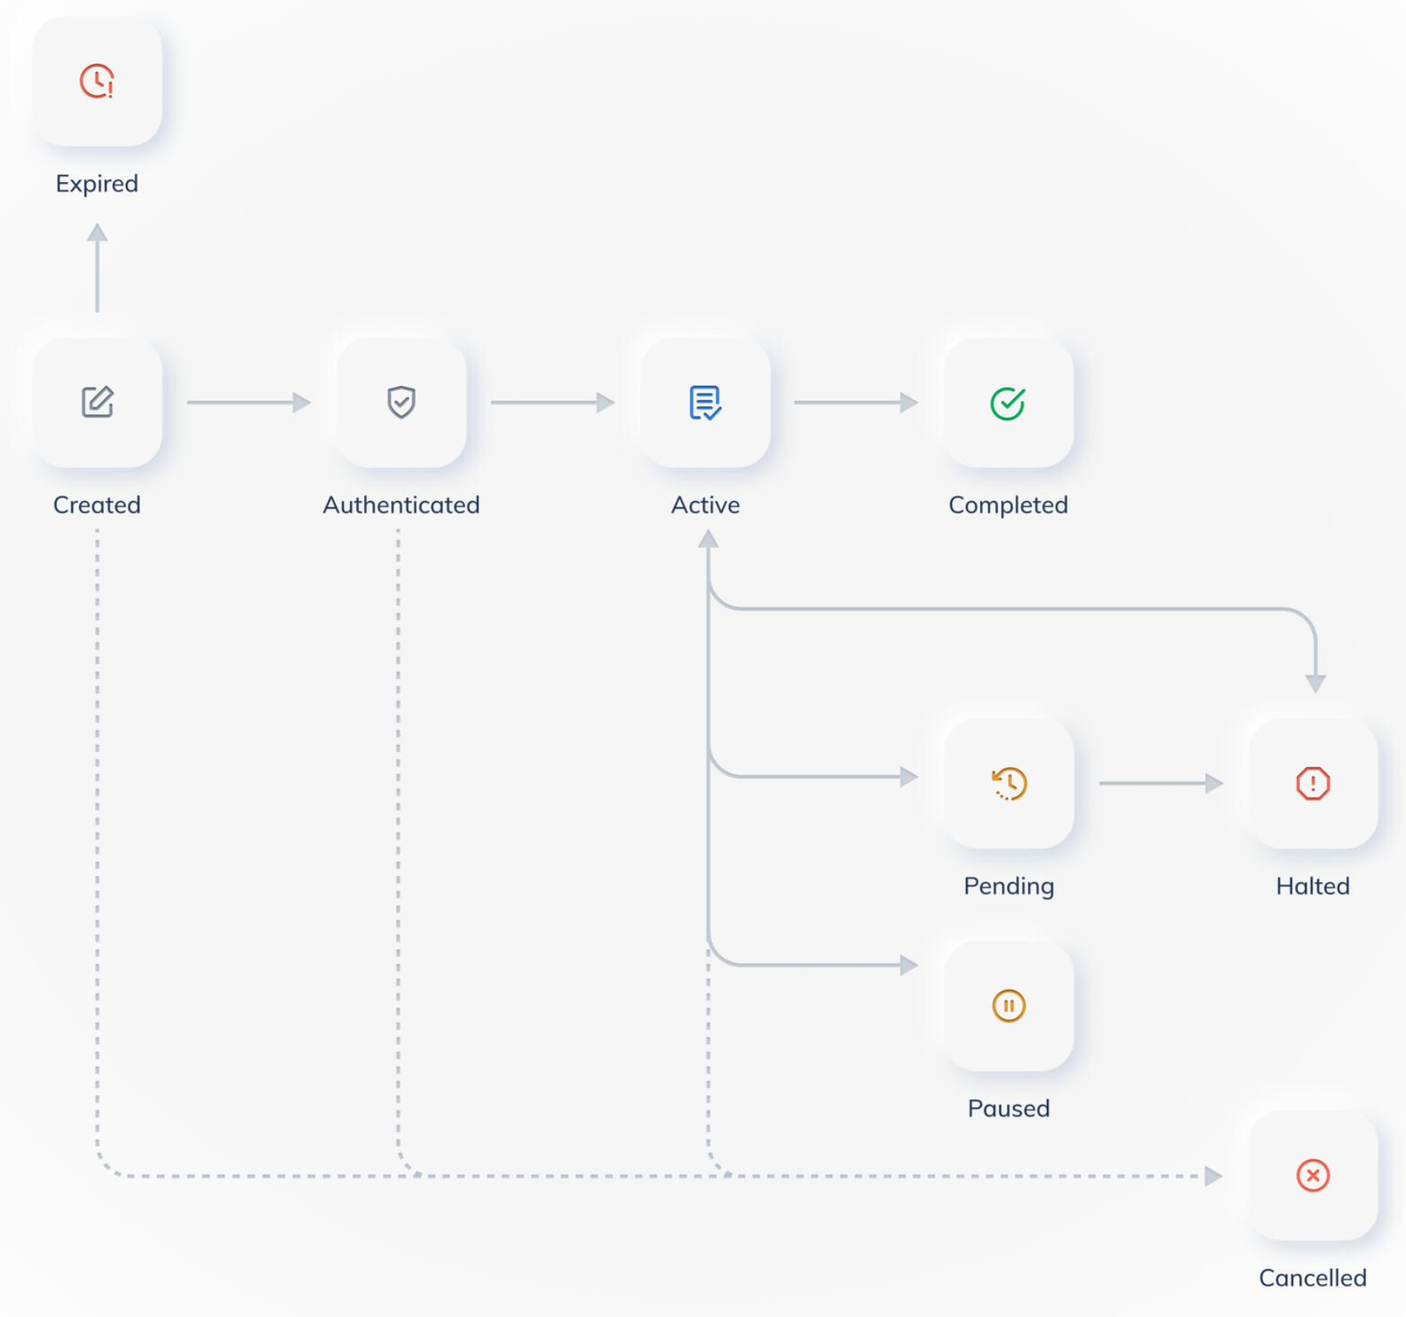 1. Life Cycle of a Subscription
Webhook Events | Remarks
subscription.authenticated
subscription.active
subscription.pending
subscription.suspended
subscription.cancelled
subscription.expired
subscription.completed
subscription.failed
NEW Fields | Remarks | OLD Fields | Remarks
id |  | n/a | DCMS maps this Merchant-assigned ID to SUBSCRIPTION.id
entity | always "subscription"
created |  | SUBSCRIPTION.created_at
status |  | SUBSCRIPTION.status | • created > "created" • authenticated > "authenticated" • active > "active" *first payment executed • pending > "pending" • suspended > "paused" • cancelled > "cancelled" • expired > "expired" • completed > "completed" • failed > "halted"
fail_reason |  | n/a | if status = "pending" > "An auto-charge on a payment is unsuccessful." if status = "expired" > "Authentication is not completed." if status = "failed" > "the last auto-charge is unsuccessful and all retries are exhausted."
payment_intent | Boolean: true / false DCMS Logic: true if any payment request is submitted whatever failed or successful
description |  | PLAN.item.description
currency | enum["inr"] | PLAN.item.currency
{recurring}
•{fixed}
••amount |  | PLAN.item.amount
••total_count |  | SUBSCRIPTION.total_count
••remaining_count |  | SUBSCRIPTION.remaining_count
••interval | enum["daily", "weekly", "monthly", "yearly"] | PLAN.period
••start_date |  | SUBSCRIPTION.start_at
••next_charge_date | always "null"
••end_date |  | SUBSCRIPTION.end_at
{subscription_model}
•{in_rz_subscription}
••expiry | UNIX time | SUBSCRIPTION.expire_by
••{url_setting}
•••webhook | Relay by DCMS | n/a | *Webhook and Events are registered in Razorpay Merchant Portal
••{access_method} |  |  | *Overlay JS Script can also support subscription not no test yet
•••url_link |  | SUBSCRIPTION.short_url
{metadata} | Optional for input | SUBSCRIPTION.notes

ORDERS Entity (Checkout Model: Hosted Payment Page) |  |  |  | Create an ORDER
POST /orders | Create an Order | Razorpay: POST /orders |  | { "id": "order-12345678", "amount": 1000, "currency": "inr", "description": "xxxxxxx", "checkout_model": { "in_rz_overlay_hosted_checkout": { "url_setting": { "webhook": "https://xxxx" }, "page_setting": { "name": "xxxxx", "expiry": 1661517573, "payment_option": "card" }, "customer": { "first_name": "xxxxxx", "last_name": "xxxxxx", "email": "test@test.com", "phone": "xxxxxxxxxx" } } }, "items": [ { "name": "Product Item 1", "reference": "123456", "unit_amount": 900, "no_of_unit": 2, "tax": 0, "total_unit_amount": 1800 } ], "metadata": {} }
GET /orders/{id} | Retrieve an Order | Razorpay: GET /orders/:id
POST /orders/{id} | Update an Order | Razorpay: PATCH /orders/:id | *map object "metadata" to "notes"
NOTES:

Webhook Events | Remarks

NEW Fields | Remarks | OLD Fields | Remarks
id |  | ORDER.receipt | Merchant-assigned AN [40]
entity | always "order"
created |  | ORDER.created_at
amount |  | ORDER.amount JS script: amount
currency | enum["inr"] | ORDER.currency JS script: currency
status | DCMS logic: • created > "created", "attempted" • paid > "paid" • closed > Payment is NOT successfully captured or Housekept by DCMS | ORDER.status
description |  | JS script: description
[items] | save in DCMS | n/a
{checkout_model}
•{in_rz_overlay_hosted_checkout}
••{access_method}
•••js_script | Gerenated by DCMS |  | JS Script Reference: https://razorpay.com/docs/payments/payment-gateway/web-integration/standard/build-integration#code-to-add-pay-button
••{url_setting}
•••webhook | Relay by DCMS | n/a | *Webhook and Events are registered in Razorpay Merchant Portal
••{page_setting}
•••name |  | JS script: name
•••expiry |  | JS script: timeout | convert UNIX time to second
•••payment_option | Optional for input | JS script: prefill.method | HSBC enum["card", "internet_banking", "wallet", "emi", "upi"] Razorpay enum["card", "netbanking", "wallet", "emi", "upi"]
••{customer}
•••first_name |  | JS script: prefill.name | Shared
•••last_name |  | JS script: prefill.name | Shared
•••email |  | JS script: prefill.email
•••phone |  | JS script: prefill.contact
{metadata} | Optional for input | ORDER.notes

ORDERS Entity (Checkout Model: Payment Link) |  |  |  | Create an ORDER
POST /orders | Create an Order | Razorpay: POST /payment_links |  | { "id": "order-12345678", "amount": 1000, "currency": "inr", "description": "xxxxxxx", "checkout_model": { "in_rz_redirect_hosted_checkout": { "url_setting": { "return_page": "https://xxxx", "webhook": "https://xxxx" }, "page_setting": { "expiry": 1661517573, "payment_option": "standard" }, "customer": { "first_name": "xxxxxx", "last_name": "xxxxxx", "email": "test@test.com", "phone": "xxxxxxxxxx" } } }, "items": [ { "name": "Product Item 1", "reference": "123456", "unit_amount": 900, "no_of_unit": 2, "tax": 0, "total_unit_amount": 1800 } ], "metadata": {} }
GET /orders/{id} | Retrieve an Order | Razorpay: GET /payment_links/:id
POST /orders/{id} | Update an Order | Razorpay: PATCH /payment_links/:id | *map object "metadata" to "notes"
NOTES:

Webhook Events | Remarks

NEW Fields | Remarks | OLD Fields | Remarks
id |  | PAYMENT_LINK.reference_id | Merchant-assigned AN [40]
entity | always "order"
created |  | PAYMENT_LINK.created_at
amount |  | PAYMENT_LINK.amount
currency | enum["inr"] | PAYMENT_LINK.currency
status | DCMS logic: • created > "created", "attempted" • paid > "partially_paid", "paid" • closed > "expired", "cancelled" | PAYMENT_LINK.status
description |  | PAYMENT_LINK.description
[items] | save in DCMS | n/a
{checkout_model}
•{in_rz_redirect_hosted_checkout}
••{access_method}
•••url_link | Gerenated by DCMS | PAYMENT_LINK.short_url
••{url_setting}
•••return_page |  | PAYMENT_LINK.callback_url | *callback_method = "get"
•••webhook | Relay by DCMS | n/a | *Webhook and Events are registered in Razorpay Merchant Portal
••{page_setting}
•••expiry |  | PAYMENT_LINK.expire_by | convert UNIX time to second
•••payment_option | enum["standard", "upi"] | PAYMENT_LINK.upi_link | "standard" > upi_link = false "upi" > upi_link = true
••{customer}
•••first_name |  | PAYMENT_LINK.name | Shared
•••last_name |  | PAYMENT_LINK.name | Shared
•••email |  | PAYMENT_LINK.email
•••phone |  | PAYMENT_LINK.contact
{metadata} | Optional for input | PAYMENT_LINK.notes

PAYMENTS Entity
GET /payments/{id} | Retrieve a Payment | Razorpay: GET /payments/:id
POST /payments/{id} | Update a Payment | Razorpay: PATCH /payments/:id
GET /orders/{id}/payments | List all Payments for an Order | Razorpay: GET /orders/:id/payments
GET /subscriptions/{id}/payments | List all Payments for a Subscription | Razorpay: #1 GET /invoices?subscription_id=:sub_id *Fetch the payment_id in each INVOICE entity #2 GET /payments/:id
NOTES:

Webhook Events | Remarks
payment.captured
payment.pending | n/a
payment.failed
NEW Fields | Remarks | OLD Fields | Remarks
id |  | PAYMENT.id
entity | always "payment"
created |  | PAYMENT.created_at
amount |  | PAYMENT.amount
currency | enum["inr"] | PAYMENT.currency
status |  | PAYMENT.status | • pending > "created" • captured > "captured", "refunded" • failed > "failed" • cancelled > CANCELLED • settled > n/a
fail_reason |  | PAYMENT.error_code + ": " + PAYMENT.error_reason
refund_intent | Boolean: true / false | PAYMENT.refund_status | true > refund_status not = null false > refund_status = null
{payment_method} | oneOf: • {card} • {wallet} • {apm} *internet_banking • {upi}
•type | enum["card", "wallet", "apm", "upi"]
•{card} |  | If PAYMENT.method = "card" / "emi" | *pass ?expand[]=card in Razorpay API Endpoint
••name |  | PAYMENT.card.name
••scheme | enum[ "amex", "diners", "maestro", "mastercard", "rupay", "unknown", "visa"] | PAYMENT.card.network • American Express • Diners Club • Maestro • MasterCard • RuPay • Unknown • Visa
••issuer |  | PAYMENT.card.issuer
••authorization_code |  | PAYMENT.acquirer_data.auth_code
••mcn |  | PAYMENT.card.last4 | Cast to "************xxxx" xxxx = last4
••cvv_check | always "null"
••eci_value | always "null"
••wallet | always "null"
••{dcc} | always "null"
••{tokenization} | always "null"
••{installment} |  | If PAYMENT.method = "emi", otherwise null | *pass ?expand[]=emi in Razorpay API Endpoint
•••{select_plan_in_payment_page}
••••count |  | PAYMENT.emi_plan.duration
••••interval | enum["monthly"]
••••interest_rate |  | PAYMENT.emi_plan.rate
•{upi} |  | If PAYMENT.method = "upi" | *pass ?expand[]=upi in Razorpay API Endpoint
••provider | always "null"
••payer_account_type | enum["bank_account", "credit_card", "wallet", "unknown"] | PAYMENT.upi.payer_account_type | *Clarify with Razorpay
••payer_vpa |  | PAYMENT.upi.vpa | *Clarify with Razorpay
••{metadata} |  | put all objects / fields of PAYMENT.acquirer_data to "metadata"
•{apm}
••type | enum["internet_banking"] | If PAYMENT.method = "netbanking"
••provider |  | PAYMENT.bank
••provider_status | always "null"
••payment_code | always "null"
••{metadata} |  | put all objects / fields of PAYMENT.acquirer_data to "metadata"
•{wallet} |  | If PAYMENT.method = "wallet"
••provider |  | PAYMENT.wallet
••provider_status
••{metadata} |  | put all objects / fields of PAYMENT.acquirer_data to "metadata"
{link}
•rel | enum["order", "subscription"]
•id | ORDER ID or SUBSCRIPTION ID
{metadata} | Optional for update | PAYMENT.notes

REFUNDS Entity |  |  |  | Create a REFUND
POST /payments/{id}/refunds | Create a Refund for a Payment | Razorpay: POST /payments/:id/refund |  | { "amount": 50000, "reason": "refund reason", "metadata": { "xxxx": "yyyy" } }
GET /payments/{id}/refunds | List all Refunds for a Payment | Razorpay: GET /payments/:id/refunds
GET /refunds/{id} | Retrieve a Refund | Razorpay: GET /refunds/:id
POST /refunds/{id} | Update a Refund | Razorpay: PATCH /refunds/:id
NOTES:

Webhook Events | Remarks
refund.succeeded | n/a
refund.pending | n/a
refund.failed | n/a
HSBC Fields | Remarks | OLD Fields | Remarks
id |  | REFUND.id
entity | always "refund"
created |  | REFUND.created_at
amount |  | REFUND.amount
currency | enum["inr"] | REFUND.currency
reason | save in DCMS
status |  | REFUND.status | • succeeded > "processed" • pending > "pending" • failed > "failed"
fail_reason | always "null" | n/a
{link}
•rel | enum["payment"]
•id | PAYMENT ID
{metadata} | Optional for input | REFUND.notes

ERRORS Entity
NOTES:

API Gateway Error (DCMS Level)
HTTP Error Code | Corresponding Endpoint | System Code | Message
HTTP 402 Request Failed | POST /subscriptions | duplicate_id_not_allowed | Creation of the entity is not permitted due to duplicate ID.
 | GET /subscriptions/{id} | id_not_found | The specified ID or record was not found.
 | POST /subscriptions/{id} | id_not_found
 | POST /subscriptions/{id}/cancel | id_not_found
 | POST /subscriptions/{id}/suspend | id_not_found
 | POST /subscriptions/{id}/resume | id_not_found
 | POST /orders | duplicate_id_not_allowed
 | GET /orders/{id} | id_not_found
 | POST /orders/{id} | id_not_found
 | GET /payments/{id} | id_not_found
 | POST /payments/{id} | id_not_found
 | GET /orders/{id}/payments | id_not_found
 | GET /subscriptions/{id}/payments | id_not_found
 | POST /payments/{id}/refunds | id_not_found
 | GET /payments/{id}/refunds | id_not_found
 | GET /refunds/{id} | id_not_found
 | POST /refunds/{id} | id_not_found
Payment Gateway Error (PSP Level, HTTP Error = 402)
NEW Fields | Remarks | OLD Fields | Remarks
type | value: "payment_gateway_error"
code |  | ERROR.code
message |  | ERROR.reason
time | UNIX time generated by DCMS

